Final image - KPI
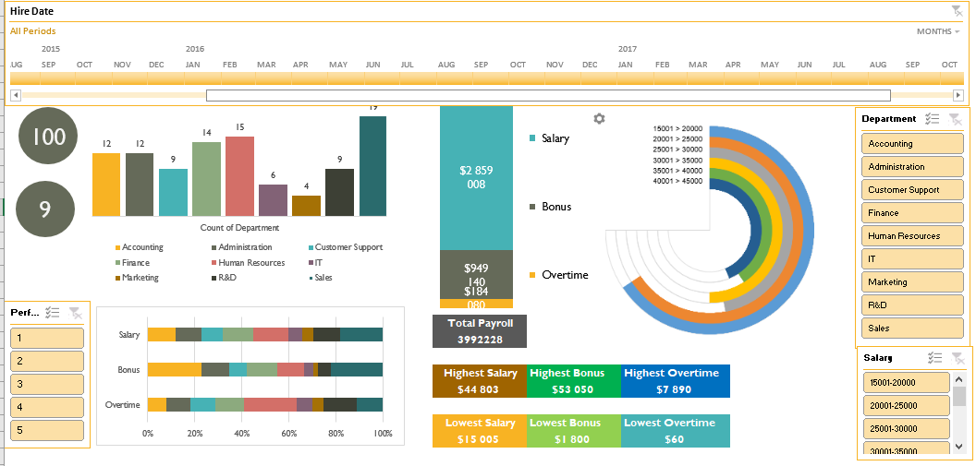

Task_Dashboard
Verilmiş datadan dinamik dashboard qurulmalıdır.

 | Sum of Overtime | Sum of Bonus | Sum of Salary
Total | 184,080 | 949,140 | 2,859,008
100
Count of Deparment
 | Total
Accounting | 12
Administration | 12
Customer Support | 9
Finance | 14
Human Resources | 15
IT | 6
Marketing | 4
R&D | 9
Sales | 19
 | 15001-20000 | 20001-25000 | 25001-30000 | 30001-35000 | 35001-40000 | 40001-45000
Sum of Salary | 369181 | 478008 | 408625 | 526427 | 478083 | 598684
A | 528845 | 420018 | 489401 | 371599 | 419943 | 299342

9

Total Payroll 3992228
 | Accounting | Administration | Customer Support | Finance | Human Resources | IT | Marketing | R&D | Sales
Sum of Salary | 334869 | 321997 | 256084 | 372448 | 418886 | 172425 | 139769 | 323544 | 518986
Sum of Bonus | 216260 | 112050 | 71890 | 123240 | 105640 | 37230 | 19170 | 52650 | 211010
Sum of Overtime | 14360 | 19080 | 19220 | 22580 | 41200 | 12100 | 8700 | 26620 | 20220

Max of Salary
44803
Max of Bonus
53050
Max of Overtime
7890

Min of Salary
15005
Min of Bonus
1800
Min of Overtime
60

